Missed close date
WorkflowID | summary | description | toRecepients | ccRecepients | bccRecepients | sendTo | Entity | Conditions | isActive | actions
 |  |  |  |  |  |  | Lead/Opportunity etc. | JSON |  | JSON (max 3 actions)
12345 | Missed close date | Dear @opty.owner.name, An estimated due date @opty.duedate for an open opportunity @opty.name has passed. Please take below actions | opty.owner.email | opty.owner.manager.email | null | Outlook, Teams | Opportunity | today date > Est close date | 1 | "update due date", "Close Oppty"

{
"type": "AdaptiveCard",
"body": [
{
"type": "TextBlock",
"size": "Medium",
"weight": "Bolder",
"text": "${title}",
"wrap": true,
"style": "heading"
},
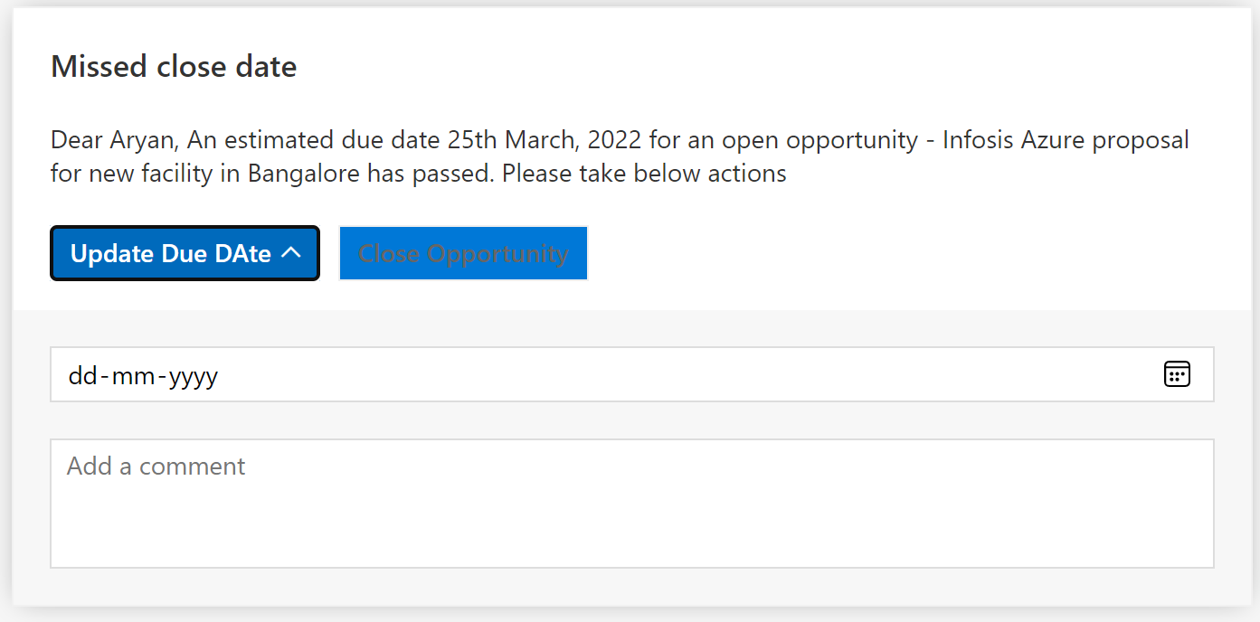
{
"type": "TextBlock",
"text": "${description}",
"wrap": true
}
],
"actions": [
{
"type": "Action.ShowCard",
"card": {
"type": "AdaptiveCard",
"body": [
{
"type": "Input.Date",
"id": "dueDate"
},
{
"type": "Input.Text",
"id": "comment",
"placeholder": "Add a comment",
"isMultiline": true
}
],
"$schema": "http://adaptivecards.io/schemas/adaptive-card.json"
},
"title": "Update Due DAte",
"tooltip": "Please update the due date",
"style": "positive"
},
{
"type": "Action.OpenUrl",
"title": "Close Opportunity",
"style": "positive"
}
],
"$schema": "http://adaptivecards.io/schemas/adaptive-card.json",
"version": "1.4"
}

